Budget
BUDGET TEMPLATE

Income |  |  | Only Edit the WHITE Cells
Funding |  |  | Does not include/deduct GST
Creative Victoria
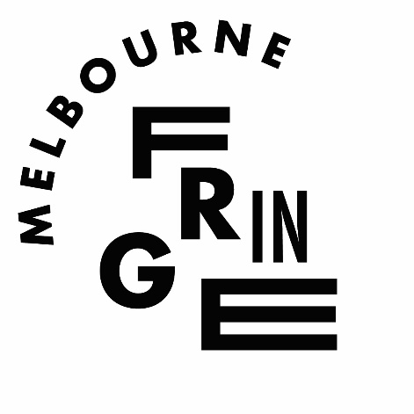
City of Melbourne
Australia Council
Council/Other
Box Office @ 30% | 2683.23 | (See next tab)
Crowd Funding
Artist Contribution
Other
In Kind
Total Income | 2683.23
Expenses |  | Wages and Fees
Wages and Fees | 0 | Rate | Weeks
Performers
Director
Stage Manager
Production Manager/Assistants
Writer
Box Office/Front of House
Designer
Marketing/Publicity
Producer

Superannuation @ 9.5% | 0 | If you are paying wages
Workcover @ 3% | 0
Per Diems
Production Costs | 0
Rehearsal Venue Hire
Performance Venue Hire
Equipment Hire
Lighting
Costumes
Props
Set Construction and Materials
Liquor License
Production Consumables
Catering
Cleaning
Travel expenses
Accommodation
Accessibility (Auslan interpreters, Audio Description, etc)
Marketing | 0
Publicist/Publicity
Print Advertising
Web Advertising
Radio Advertising
Printing (flyers/posters)
Photocopying/flyer attachments
Documentation (photos/video) |  |  |  | When including In Kind always balance these in income AND expenses
Invitations/mail out
Graphic Design
Overheads | 0 |  |  | In Kind
Phone/internet
Postage/freight/couier
Registration Fee
Office costs/computer/stationery
Insurance (Public Laiability, Equipment)
Audit (if required by funding body)
APRA Fees
Contingency (aim for 10% of total expenses)
Total Expenses | 0

Surplus/Deficit | 2683.23

